Sheet1
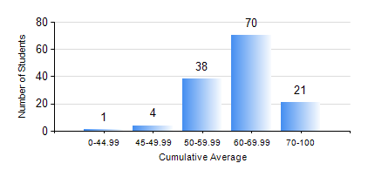
 |  |  | KWAME NKRUMAH UNIVERSITY OF SCIENCE AND TECHNOLOGY, KUMASI Department of Geomatic Engineering

 |  |  | BSC. GEOMATIC ENG.

 |  |  | COMPREHENSIVE RECORD OF EXAMINATION RESULTS

 |  |  | RESULTS OF YEAR 2 FIRST SEMESTER, 2019/2020 ACADEMIC YEAR

 | Sn | Course Code |  | Course Name | Credit Hours | Min. Mark | Max. Mark | Avg. Mark | Std. Dev. | No. Passed | No. Trailed | No. (Df) | No. (I) | No. (I*) | No. Tagged(I,I*,Df) | Total
 | 0. |  |  |  |  |  |  | 0 | 0 | 0 | 0 | 0 | 0 | 0 | 0 | 4
 | 1. | CENG 291 |  | ENGINEERING IN SOCIETY | 2 | 0 | 90 | 74 | 12.32 | 124 | 6 | 0 | 0 | 0 | 0 | 130
 | 2. | ENGL 263 |  | LITERATURE IN ENGLISH I | 1 | 0 | 76 | 65 | 7.45 | 129 | 1 | 0 | 0 | 0 | 0 | 130
 | 3. | GE 251 |  | PHOTOGRAMMETRY I | 3 | 10 | 91 | 66 | 11.08 | 128 | 1 | 0 | 1 | 0 | 1 | 130
 | 4. | GE 261 |  | FIELD ASTRONOMY | 3 | 24 | 91 | 67 | 8.72 | 129 | 1 | 0 | 0 | 0 | 0 | 130
 | 5. | GE 263 |  | INFORMATION SCIENCE AND PROGRAMMING | 3 | 0 | 89 | 57 | 15.3 | 113 | 17 | 0 | 0 | 0 | 0 | 130
 | 6. | GE 271 |  | ENGINEERING SURVEYING | 3 | 0 | 95 | 54 | 21.91 | 112 | 18 | 0 | 0 | 0 | 0 | 130
 | 7. | GE 281 |  | MARINE AND GEODETIC SCIENCE | 2 | 0 | 98 | 71 | 14.03 | 129 | 1 | 0 | 0 | 0 | 0 | 130
 | 8. | MATH 251 |  | DIFFERENTIAL EQUATIONS | 4 | 0 | 88 | 54 | 13.62 | 121 | 9 | 0 | 0 | 0 | 0 | 130

